Back-to-school checklist
Enjoying this template?​​
This template is completely free. If it saved you time or helped your business, consider buying me a coffee to support the creation of more free resources!
​Scan or visit:​​ ko-fi.com/excelnav
Thank you for your support!
For More Practical Templates, Please Visit Our Website.​
Back-to-school checklist

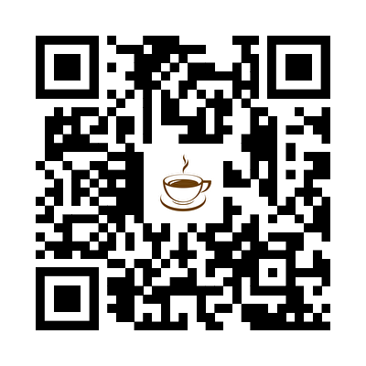
TO DO |  | TO BUY

DONE | DESCRIPTION | DONE | DESCRIPTION
x | Complete all registration forms |  | Clothing and shoes
x | Schedule school physical and visual exam if needed | x | School uniforms and gym clothes
 | Verify all required immunizations |  | Backpack
 | Obtain note with dosage instructions for all required medications from physician |  | Lunch box
 | Review school dress code | x | School books
 | Obtain a list of school supplies |  | Folders
 | Meet the teacher |  | Pens, pencils, crayons, markers
 | Determine teacher's preferred communication method (phone, email, written note) |  | Crayons, markers
 | Tour the school with your child |  | Pencil sharpener
 | Help your child memorize your cell phone number, work phone, and home address |  | Large eraser
 | Arrange transportation, designate a safe meeting spot, and practice the routine |  | Binder
 | If walking, practice the route to and from school with your child a few times |  | Loose leaf paper
 | If carpooling, introduce your child to all carpool drivers |  | Safety scissors
 | If riding the bus, determine times and bus stops |  | Ruler
 | Arrange for child care/after school care
 | Plan a menu for breakfasts, school snacks, packed lunches, and after-school snacks
 | Determine homework location and schedule
 | Establish a bedtime routine at least two weeks before school starts
 | Prepare a calendar of all school events and activities

