Shopping list
For More Practical Templates, Please Visit Our Website.​
Enjoying this template?​​
This template is completely free. If it saved you time or helped your business, consider buying me a coffee to support the creation of more free resources!
​Scan or visit:​​ ko-fi.com/excelnav
Thank you for your support!
Back to school | planner
 |  |  |  |  |  |  | 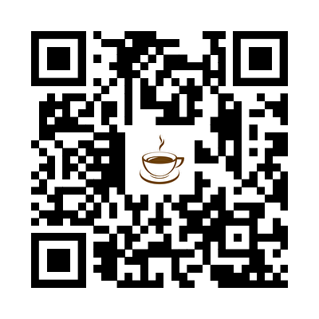
Track your shopping progress against the budget category amounts entered in budget breakdown.
Budget summary |  |  | Purchasing progress (1 of 6)
Budget | $1,500.00 |  | 17%
Shopping list total | $365.00
Remaining cash | $1,135.00
Shopping list
Item | Category | Qty | To buy | Cost | Bought | Total cost
Math | Textbooks | 1 | 1 | $55.00 | 1 | $55.00
English | Textbooks | 1 | 1 |  |  | $-
Backpack | Supplies | 1 |  | $30.00 |  | $30.00
Calculator | Supplies | 1 |  |  |  | $-
Highlighters | Supplies | 3 |  |  |  | $-
Uniform | Clothes | 2 | 1 | $100.00 |  | $200.00
Shirt, button-up | Clothes | 4 |  |  |  | $-
Shirt, t-shirts | Clothes | 5 |  |  |  | $-
Shorts | Clothes | 2 |  |  |  | $-
Sneakers | Clothes | 2 | 1 |  |  | $-
Socks | Clothes | 10 |  |  |  | $-
Spring jacket | Clothes | 1 | 1 | $80.00 |  | $80.00
Sweaters | Clothes | 1 |  |  |  | $-
Sweatshirts | Clothes | 1 |  |  |  | $-
Underwear | Clothes | 10 |  |  |  | $-
Winter jacket | Clothes | 1 | 1 |  |  | $-

Budget breakdown
Budget breakdown
Add categories and budget amounts to track against in your shopping list.
Category | Total cost
Clothes | $280.00
Supplies | $30.00
Textbooks | $55.00

