Start
For More Practical Templates, Please Visit Our Website.​
Enjoying this template?​​
This template is completely free. If it saved you time or helped your business, consider buying me a coffee to support the creation of more free resources!
​Scan or visit:​​ ko-fi.com/excelnav
Thank you for your support!
About this template
Use this baby shower planner to create a list of guests to be invited to your baby shower event.
Fill in the basic details like for who, when, and where the event will be organized.
Track cost of food and drinks, decoration items, and other supplies using respective tables.
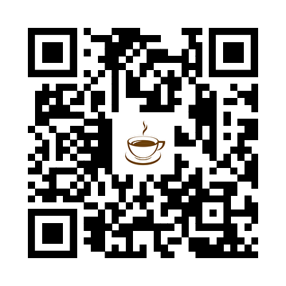
Create a task list with date or time and notes.
Note:
Additional Instructions have been provided in column A in BABY SHOWER worksheet. This text has been intentionally hidden. To remove text, select column A, then select DELETE.
To learn more about tables in this worksheet, press SHIFT and then F10 within a table, select the TABLE option, and then select ALTERNATIVE TEXT.

Baby shower
 | 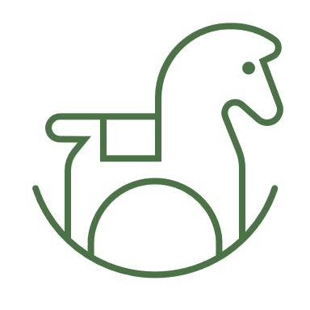 Baby shower
 | EVENT PLANNNG

 | For: Juliet Childres |  | When: 10/13/2023 at 3PM |  | Where: 123 Main St. Houston, Texas

 | GUESTS
 | Name | Relationship | RSVP received | RSVP response | No. in party | Address
 | Kerstin Mark | Sister | Yes | Yes | 1 | 432 1st Avenue
 | Michelle Wattz | Friend | Yes | No | 0 | 78 90th NW Suite 10
 | Janessa Bughatti | Friend | Yes | Yes | 1 | 222 2nd Avenue
Table title is in cell at right. | Total |  |  |  | 2

 | FOOD/DRINKS |  |  | TASK LIST
 | Item | Cost |  | Task | Time | Notes
 | Vegetable platter | $14.95 |  | Send invitations | 2023-09-01
 | 2 liters sparkling water | $2.19 |  | Shop for decorations | 2023-10-01
 | Total | $17.14 |  | Organize music | 2023-10-10
 |  |  |  | Shop for groceries | 2023-10-12
 | DECORATIONS |  |  | Bake | 2023-10-13
 | Item | Cost |  | Borrow chairs, hangers | 2023-10-10 | Borrow from neighbors
 | Helium balloons | $12.00 |  | Put up decorations | 2023-10-13 | Birgit will help
 | Pennant flags | $9.00 |  | Pick up flowers | 2023-10-12 | Stop by on way home from work
 | Total | $21.00 |  | Prepare all other food | 2023-10-12
 |  |  |  | Rearrange furniture | 2023-10-13
 | OTHER SUPPLIES |  |  | Lay out food | 14:00:00
 | Item | Cost |  | Light candles | 14:45:00
 | Paper plates | $5.96 |  | Final walkthrough | 14:50:00
 | Guest book | $13.99 |  | Play party music | 15:00:00
 | Total | $19.95 |  | Welcome guests | 15:00:00

