Blue
Enjoying this template?​​
This template is completely free. If it saved you time or helped your business, consider buying me a coffee to support the creation of more free resources!
​Scan or visit:​​ ko-fi.com/excelnav
Thank you for your support!
For More Practical Templates, Please Visit Our Website.​
 | Robin's allowance tracker
Tasks | Value | SUN | MON | TUE | WED | THU | FRI | SAT | Total
Make bed | $0.50 | 1 | 1 |  | 1 |  |  |  | $1.50
Pickup toys | $0.50 |  | 1 | 1 |  |  |  |  | $1.00
Clean room | $0.50
Clean dining table | $1.00 |  |  | 1 |  |  |  |  | $1.00
Sweep floor | $1.00
Feed pet | $1.00 | 1 | 1 | 1 | 1 |  |  |  | $4.00
Water plants | $1.00
Date allowance given: | 2022-12-05 |  |  |  | Total allowance earned: |  |  |  | $7.50

Red
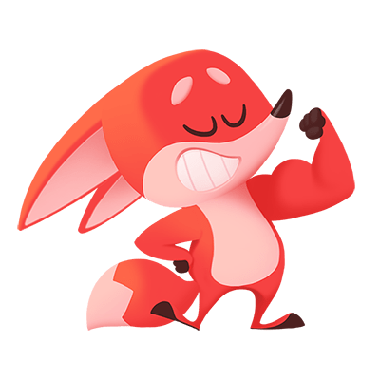 | Robin's allowance tracker
Tasks | Value | SUN | MON | TUE | WED | THU | FRI | SAT | Total
Make bed | $0.50 | 1 | 1 |  | 1 |  |  |  | $1.50
Pickup toys | $0.50 |  | 1 | 1 |  |  |  |  | $1.00
Clean room | $0.50
Clean dining table | $1.00 |  |  | 1 |  |  |  |  | $1.00
Sweep floor | $1.00
Feed pet | $1.00 | 1 | 1 | 1 | 1 |  |  |  | $4.00
Water plants | $1.00
Date allowance given: | 2022-12-05 |  |  |  | Total allowance earned: |  |  |  | $7.50

